2 classes
Observed | Forcased
1 | 0
0 | 1
0 | 0
1 | 0
1 | 0
1 | 1 |  | observed
0 | 1 | observed |  | 0 | 1 | total
0 | 1 |  | 0 | 10 | 10 | 20
0 | 0 |  | 1 | 6 | 3 | 9
1 | 0 |  | total | 16 | 13 | 29
0 | 0
0 | 0
0 | 0 |  | Method 1 |  |  | Nurani
0 | 1 |  | NC | 13 |  | N | 29
0 | 1 |  | T | 29 |  | A | 13
1 | 0 |  | E | 15.068965517 |  | R | 437
0 | 1 |  | HSS | -0.14851485149 |  | HSS | -0.14851485149
0 | 0
0 | 0
0 | 0 |  | HSS | -0.14851485149
0 | 1
0 | 1
0 | 1
1 | 0
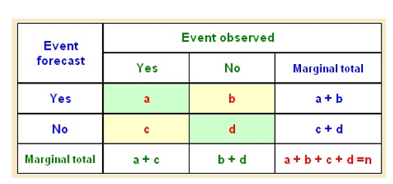
1 | 1
0 | 1
1 | 1
0 | 0
0 | 0

